008029892SDR
BEFORE SURVEY | Duration |  | From | 27/02/2023 | To | 06/03/2023 | Site Information
 | All lanes |  | Eastbound |  | Westbound |  | Site ID | 008029892SDR
 | 12 hour | 24 hour | 12 hour | 24 hour | 12 hour | 24 hour | Address | Church Street, Donisthorpe
85th %ile | 34.0 | 34.0 | 34.0 | 34.0 | 34.0 | 34.0 | Easting | 431757
Mean speed | 28.6 | 28.8 | 28.7 | 29.0 | 28.4 | 28.6 | Northing | 314076
Average daily flow | 1,816 | 2,117 | 901 | 1,062 | 915 | 1,055 | Speed Limit (mph) | 30

AFTER SURVEY | Duration |  | From | 02/05/2023 | To | 09/05/2023 | 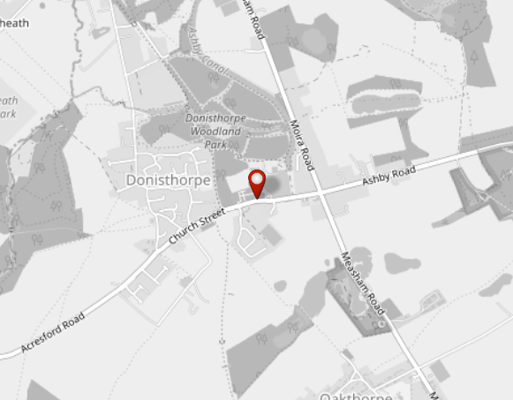 Map upload
 | All lanes |  | Eastbound |  | Westbound
 | 12 hour | 24 hour | 12 hour | 24 hour | 12 hour | 24 hour
85th %ile | 33.0 | 34.0 | 33.0 | 34.0 | 33.0 | 33.0
Mean speed | 27.9 | 28.2 | 28.2 | 28.4 | 27.7 | 28.0
Average daily flow | 1,790 | 2,162 | 902 | 1,101 | 888 | 1,061

COMPARISON | All lanes |  | Eastbound |  | Westbound

 | 12 hour | 24 hour | 12 hour | 24 hour | 12 hour | 24 hour
85th %ile | -1.0 | 0.0 | -1.0 | 0.0 | -1.0 | -1.0
Mean speed | -0.7 | -0.6 | -0.5 | -0.6 | -0.7 | -0.6
Average daily flow | -26 | 45 | 1 | 39 | -27 | 6

Notes -

 |  | Leicestershire County Council - Network Data & Intelligence

008029893SDR
BEFORE SURVEY | Duration |  | From | 27/02/2023 | To | 06/03/2023 | Site Information
 | All lanes |  | Southbound |  | Northbound |  | Site ID | 008029893SDR
 | 12 hour | 24 hour | 12 hour | 24 hour | 12 hour | 24 hour | Address | Hill Street, Donisthorpe
85th %ile | 40.0 | 41.0 | 40.0 | 41.0 | 40.0 | 41.0 | Easting | 431132
Mean speed | 33.7 | 34.1 | 33.9 | 34.1 | 33.5 | 34.1 | Northing | 314177
Average daily flow | 2,305 | 2,753 | 1,158 | 1,356 | 1,147 | 1,397 | Speed Limit (mph) | 30

AFTER SURVEY | Duration |  | From | 02/05/2023 | To | 09/05/2023 | 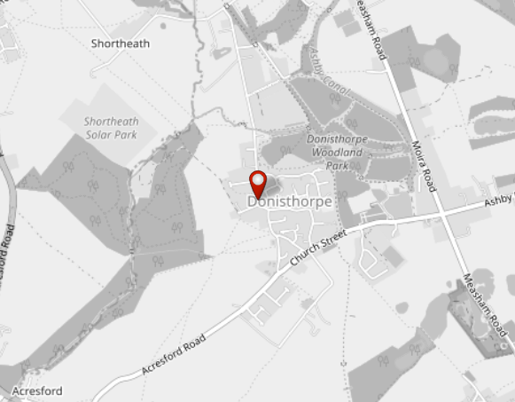 Map upload
 | All lanes |  | Southbound |  | Northbound
 | 12 hour | 24 hour | 12 hour | 24 hour | 12 hour | 24 hour
85th %ile | 38.0 | 39.0 | 38.0 | 38.0 | 39.0 | 39.0
Mean speed | 32.3 | 32.6 | 32.4 | 32.5 | 32.2 | 32.8
Average daily flow | 2,281 | 2,775 | 1,179 | 1,403 | 1,102 | 1,372

COMPARISON | All lanes |  | Southbound |  | Northbound

 | 12 hour | 24 hour | 12 hour | 24 hour | 12 hour | 24 hour
85th %ile | -2.0 | -2.0 | -2.0 | -3.0 | -1.0 | -2.0
Mean speed | -1.4 | -1.5 | -1.5 | -1.6 | -1.3 | -1.3
Average daily flow | -24 | 22 | 21 | 47 | -45 | -25

Notes -

 |  | Leicestershire County Council - Network Data & Intelligence

008029894SDR
BEFORE SURVEY | Duration |  | From | 27/02/2023 | To | 06/03/2023 | Site Information
 | All lanes |  | Northbound |  | Southbound |  | Site ID | 008029894SDR
 | 12 hour | 24 hour | 12 hour | 24 hour | 12 hour | 24 hour | Address | Donisthorpe Lane, north of Poplar Avenue, Donisthorpe
85th %ile | 32.0 | 32.0 | 31.0 | 32.0 | 33.0 | 34.0 | Easting | 431069
Mean speed | 25.8 | 26.5 | 24.2 | 25.2 | 27.4 | 27.7 | Northing | 314745
Average daily flow | 2,429 | 2,891 | 1,205 | 1,464 | 1,223 | 1,428 | Speed Limit (mph) | 30

AFTER SURVEY | Duration |  | From | 02/05/2023 | To | 09/05/2023 | 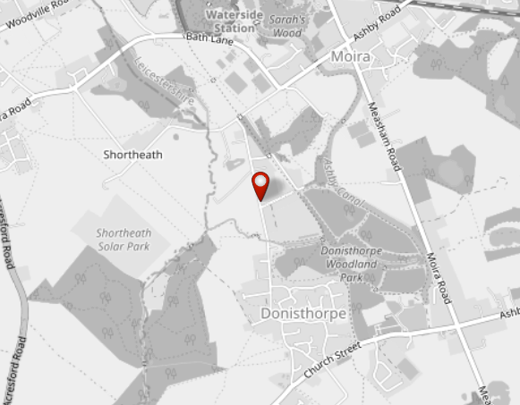 Map upload
 | All lanes |  | Northbound |  | Southbound
 | 12 hour | 24 hour | 12 hour | 24 hour | 12 hour | 24 hour
85th %ile | 35.0 | 36.0 | 34.0 | 35.0 | 36.0 | 37.0
Mean speed | 28.3 | 29.0 | 26.4 | 27.5 | 30.0 | 30.5
Average daily flow | 2,422 | 2,926 | 1,173 | 1,450 | 1,248 | 1,476

COMPARISON | All lanes |  | Northbound |  | Southbound

 | 12 hour | 24 hour | 12 hour | 24 hour | 12 hour | 24 hour
85th %ile | 3.0 | 4.0 | 3.0 | 3.0 | 3.0 | 3.0
Mean speed | 2.5 | 2.5 | 2.2 | 2.3 | 2.6 | 2.8
Average daily flow | -7 | 35 | -32 | -14 | 25 | 48

Notes -

 |  | Leicestershire County Council - Network Data & Intelligence

000008030038
BEFORE SURVEY | Duration |  | From | 27/02/2023 | To | 06/03/2023 | Site Information
 | All lanes |  | Southwestbound |  | Northeastbound |  | Site ID | 000008030038
 | 12 hour | 24 hour | 12 hour | 24 hour | 12 hour | 24 hour | Address | Acresford Road, Donisthorpe - SDR
85th %ile | 32.0 | 32.0 | 32.0 | 32.0 | 31.0 | 32.0 | Easting | 431100
Mean speed | 27.1 | 27.1 | 26.8 | 26.9 | 27.3 | 27.4 | Northing | 313664
Average daily flow | 2,437 | 2,928 | 1,205 | 1,476 | 1,232 | 1,453 | Speed Limit (mph) | 30

AFTER SURVEY | Duration |  | From | 02/05/2023 | To | 09/05/2023 | 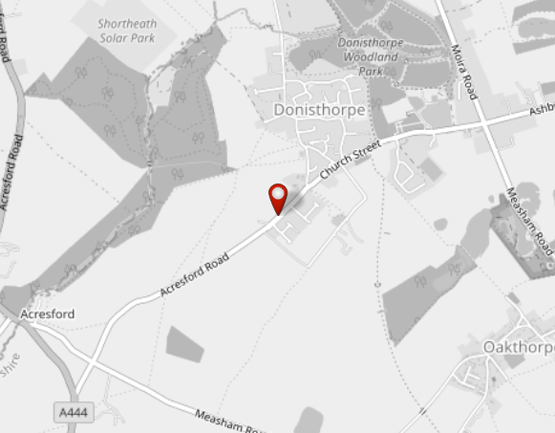 Map upload
 | All lanes |  | Southwestbound |  | Northeastbound
 | 12 hour | 24 hour | 12 hour | 24 hour | 12 hour | 24 hour
85th %ile | 30.0 | 30.0 | 30.0 | 30.0 | 30.0 | 31.0
Mean speed | 25.6 | 25.8 | 25.1 | 25.2 | 26.1 | 26.3
Average daily flow | 2,421 | 2,964 | 1,173 | 1,471 | 1,248 | 1,493

COMPARISON | All lanes |  | Southwestbound |  | Northeastbound

 | 12 hour | 24 hour | 12 hour | 24 hour | 12 hour | 24 hour
85th %ile | -2.0 | -2.0 | -2.0 | -2.0 | -1.0 | -1.0
Mean speed | -1.5 | -1.3 | -1.7 | -1.7 | -1.2 | -1.1
Average daily flow | -16 | 36 | -32 | -5 | 16 | 40

Notes -

 |  | Leicestershire County Council - Network Data & Intelligence

overview
